Sheet1
 |  | Document No. | Issue No. | Issue Date |  | Review and Replace Date |  | Authorised By
 |  | GFF249MC | 2 | 02.12.2020 |  | 22.02.2021
 |  | Document Title | 22 Onion Bhaji 660G
 |  |  |  |  |  |  |  | Magda Shah
Document amendments reason for change |  | Shelf life updated | Page 1 of 1 |  | Previous Issue Date |  | 02.12.2020 | Uncontrolled copy unless signed original

COBHC-B22X4T | GAZEBO-BOOKER |  | 22 Onion Bhaji 660G
STEP 1 |  |  |  |  | STEP 2
 |  |  |  |  | 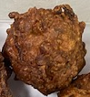

Tray: H3H 50 - CLEAR (PKNUT001-07) |  |  |  |  | Onion Bhaji Cocktail 30G (GFF009-1R): 22 Pieces (660G)
Line 2 & VG900: PP410AF (PKPRO001-10)
STEP 3
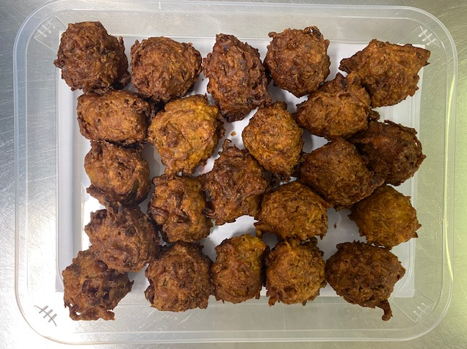

TOTAL WEIGHT: 660G

ALLERGY ALERT: Wheat

